Cover
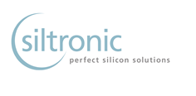

Quarterly Development

2017

March 5, 2017

Investor Relations
Petra Müller
Phone: +49 89 8564 3133

email: investor.relations@siltronic.com

